Sheet1
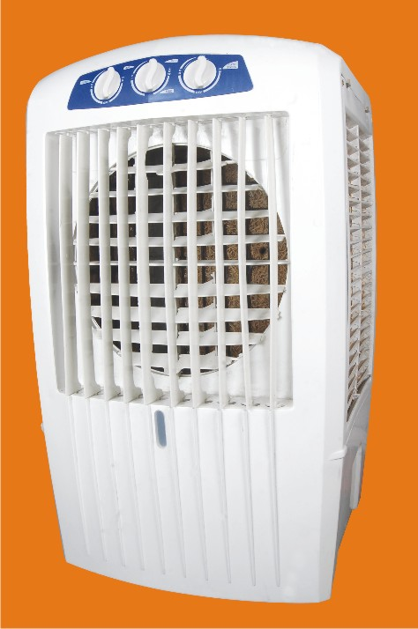
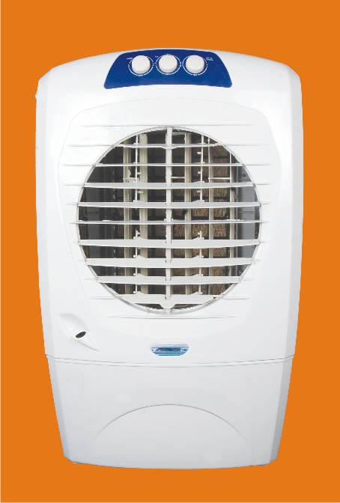
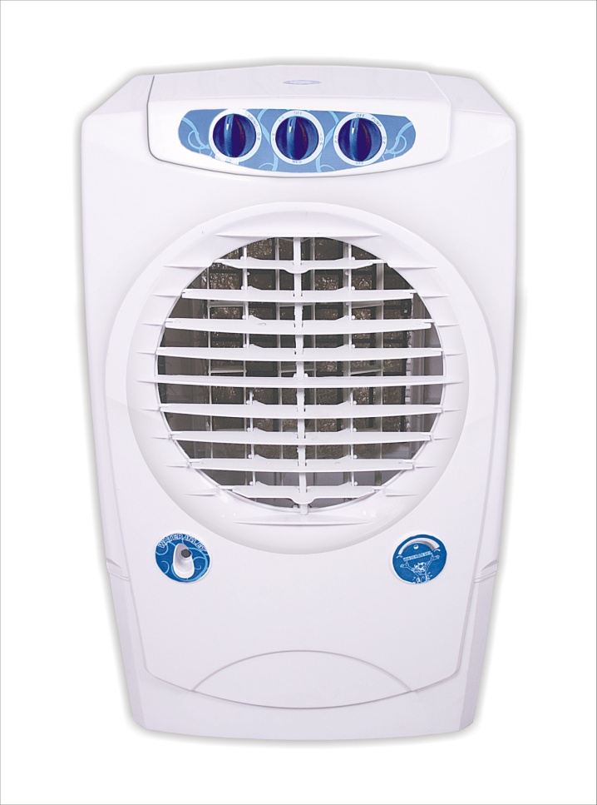

 |  |  | MODEL :- |  | Icy Cool |  | MODEL :- |  | f-1 Junior
MODEL :- | Ecostorm |  | Features: |  |  |  | Features:
Features: |  |  | * Elegant design |  |  |  | * Elegant design
* Elegant design |  |  | * Speed Fan Levels |  |  |  | * Speed Fan Levels
* Speed Fan Levels |  |  | * Automatic Vertical Louvres Moment |  |  |  | * Automatic Vertical Louvres Moment
* Automatic Vertical Louvres Moment |  |  | * Manual adjustment for horizontal louvres |  |  |  | * Manual adjustment for horizontal louvres
* Manual adjustment for horizontal louvres |  |  | * 3 side grills for larger air suction |  |  |  | * 3 side grills for larger air suction
* 3 side grills for larger air suction |  |  | * options for multi directional wheels for easy portability |  |  |  | * options for multi directional wheels for easy portability
* Water Lebel Indicator |  |  | * Water Inlet Provision |  |  |  | * Water Inlet Provision
* options for multi directional wheels for easy portability |  |  | * Water Lebel Indicator |  |  |  | * Water Lebel Indicator
* 35 liters water tank capacity |  |  | * 35 litres water tank capacity |  |  |  | * 35 liters water tank capacity
* both options are honey comb /wood wool pads |  |  | * both options are honey comb /wood wool pads |  |  |  | * both options are honey comb /wood wool pads
* inverter compatible. |  |  | * inverter compatible. |  |  |  | * inverter compatible.

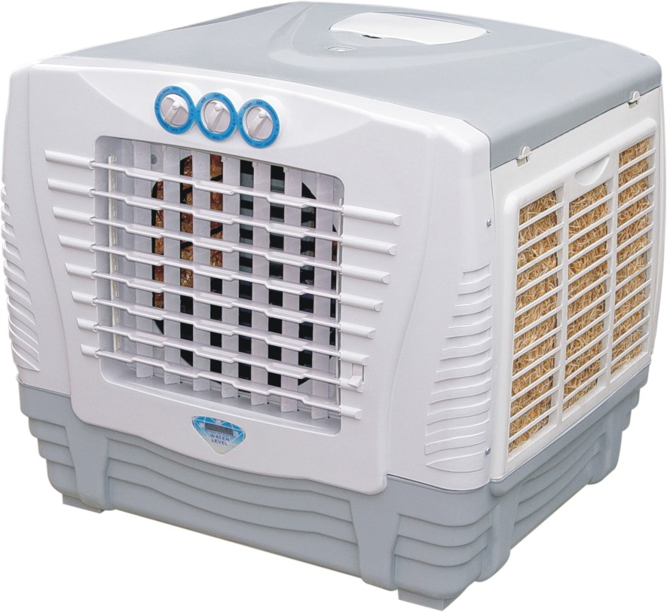
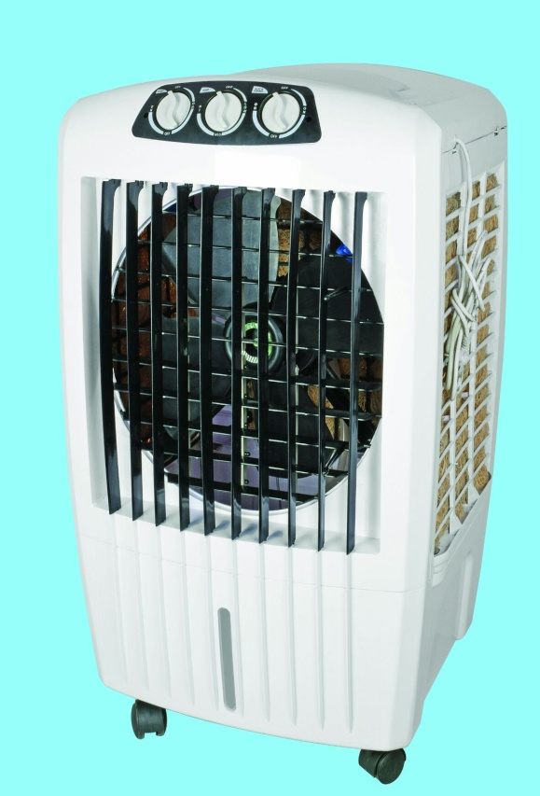
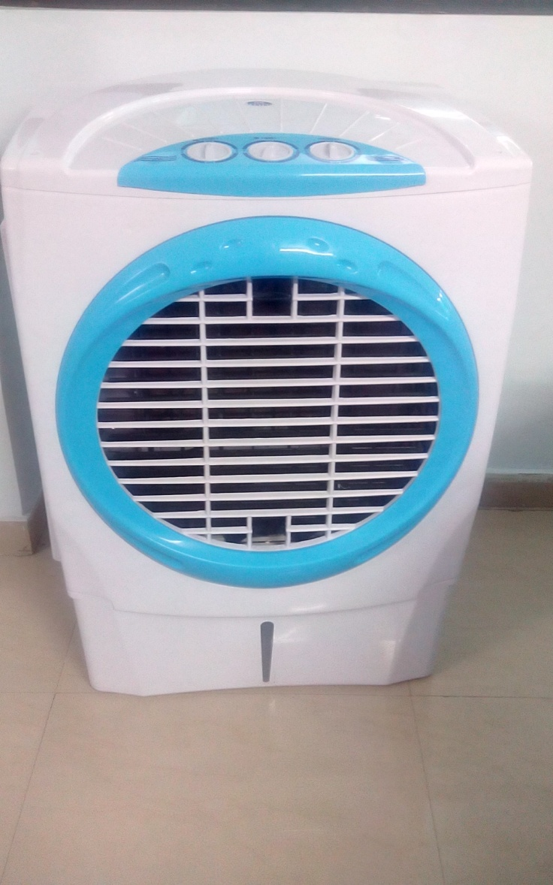

MODEL :- | Chakde |  | MODEL :- |  | Ecostrom Delux
Features: |  |  | Features:
* Elegant design |  |  | * Elegant design
* Speed Fan Levels |  |  | * Speed Fan Levels
* Automatic Vertical Louvres Moment |  |  | * Automatic Vertical Louvres Moment
* Manual adjustment for horizontal louvres |  |  | * Manual adjustment for horizontal louvres
* 3 side grills for larger air suction |  |  | * 3 side grills for larger air suction
* options for multi directional wheels for easy portability |  |  | * options for multi directional wheels for easy portability
* Water Lebel Indicator |  |  | * Water Lebel Indicator
* 35 liters water tank capacity |  |  | * 45 liters water tank capacity
* wood wool pads |  |  | * both options are honey comb /wood wool pads
* inverter compatible. |  |  | * inverter compatible.
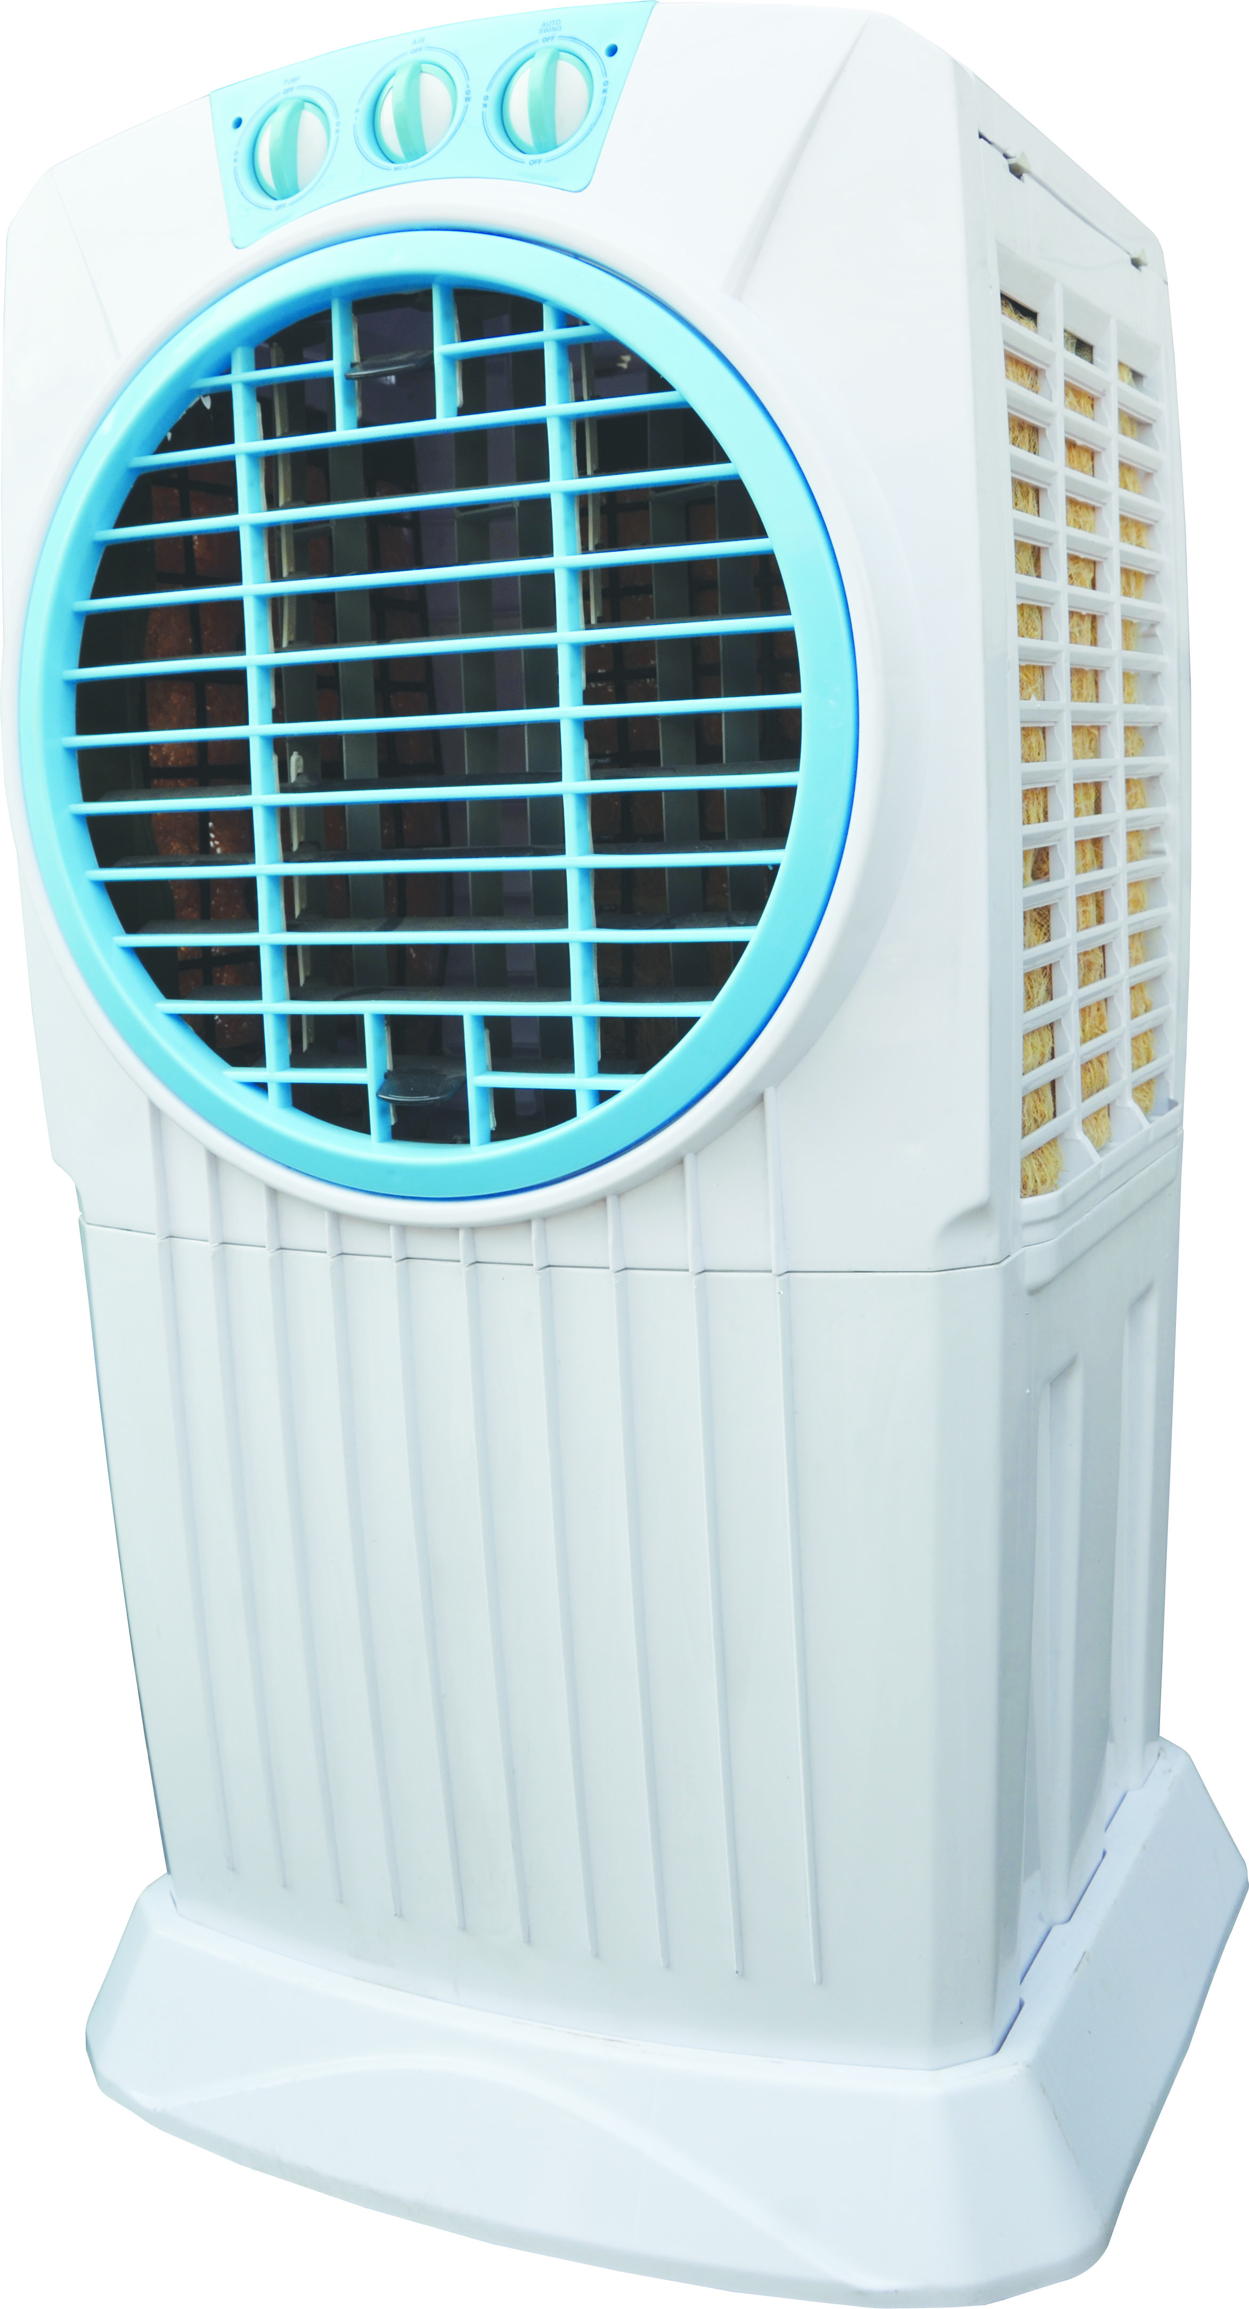

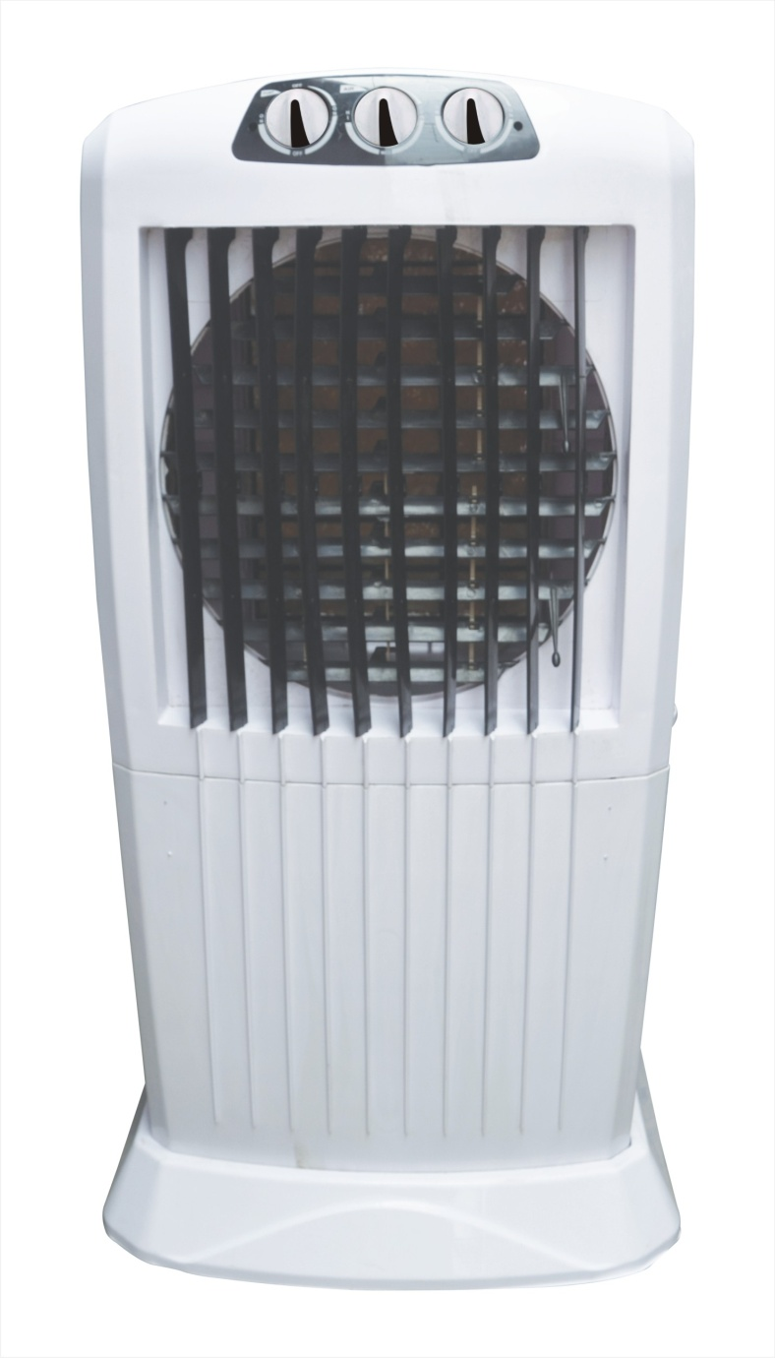

 |  |  |  |  |  | MODEL :- |  | Sky Cool
 |  |  |  |  |  | Features:
 |  |  |  |  |  | * Elegant design
 |  |  |  |  |  | * Speed Fan Levels
 |  |  |  |  |  | * Automatic Vertical Louvres Moment
 |  |  |  |  |  | * Manual adjustment for horizontal louvres
 |  |  |  |  |  | * 3 side grills for larger air suction
 |  |  |  |  |  | * options for multi directional wheels for easy portability
 |  |  |  |  |  | * Water Lebel Indicator
 |  |  |  |  |  | * 70 liters water tank capacity
 |  |  |  |  |  | * both options are honey comb /wood wool pads
 |  |  |  |  |  | * inverter compatible.

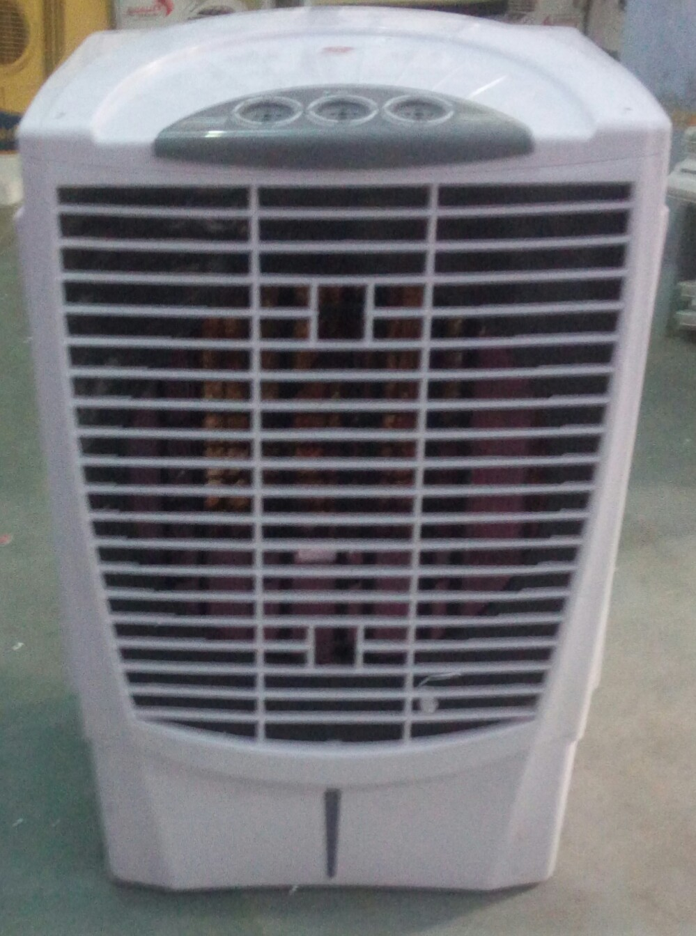

MODEL :- | Ecostorm sleek | MODEL :- |  | Superb Tower
Features: |  | Features:
* Elegant design |  | * Elegant design
* Speed Fan Levels |  | * Speed Fan Levels
* Automatic Vertical Louvres Moment |  | * Automatic Vertical Louvres Moment
* Manual adjustment for horizontal louvres |  | * Manual adjustment for horizontal louvres
* 3 side grills for larger air suction |  | * 3 side grills for larger air suction
* options for multi directional wheels for easy portability |  | * options for multi directional wheels for easy portability
* Water Lebel Indicator |  | * Water Lebel Indicator
*OptionalTrolley Base with Castor Wheels |  | *80 liters water tank capacity
*80 liters water tank capacity |  | *80 liters water tank capacity
* both options are honey comb /wood wool pads |  | * inverter compatible.
* inverter compatible.

 |  |  |  |  |  | MODEL :- |  | S.K MODEL
 |  |  |  |  |  | Features:
 |  |  |  |  |  | * Elegant design
 |  |  |  |  |  | * Speed Fan Levels
 |  |  |  |  |  | * Automatic Vertical Louvres Moment
 |  |  |  |  |  | * Manual adjustment for horizontal louvres
 |  |  |  |  |  | * 3 side grills for larger air suction
 |  |  |  |  |  | * options for multi directional wheels for easy portability
 |  |  |  |  |  | * Water Lebel Indicator
 |  |  |  |  |  | * 70 liters water tank capacity
 |  |  |  |  |  | * both options are honey comb /wood wool pads
 |  |  |  |  |  | * inverter compatible.

